Sheet1
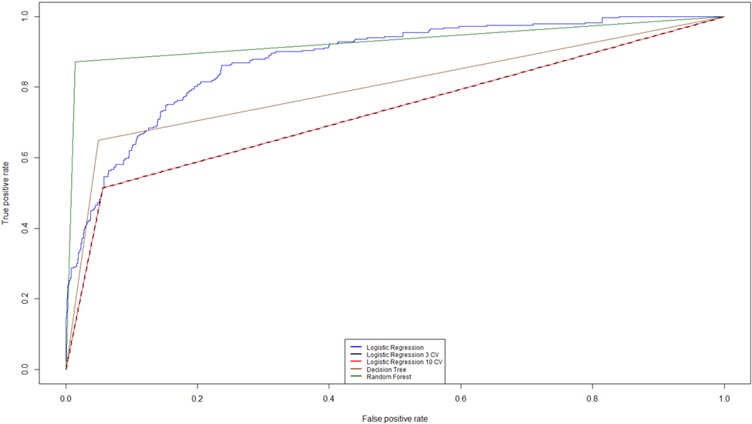
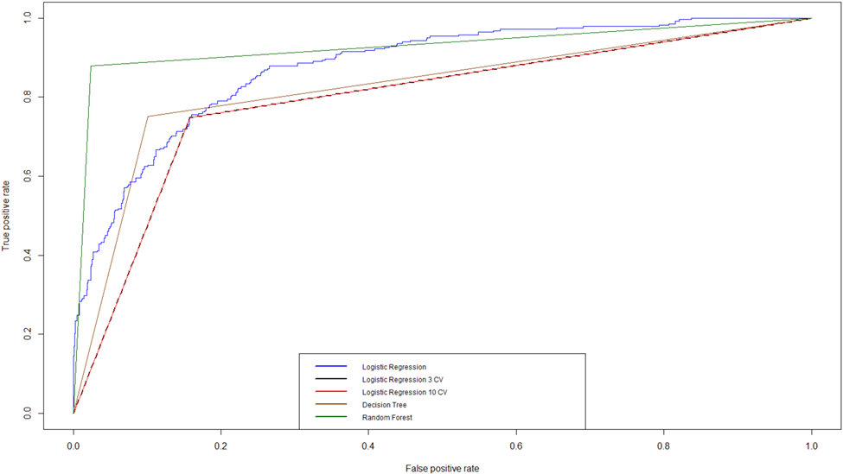
 | Unbalanced Training Set Before Feature Selection |  |  |  |  |  |  | Used Pythagoras Theorem sqrt( (1-sensitivity)²+(1-specificity)² ) for ROC | Balanced Training Set Before Feature Selection |  |  |  |  |  |  | Used Pythagoras Theorem sqrt( (1-sensitivity)²+(1-specificity)² ) for ROC
 |  | AUC | ROC | Sensitivity | Specificity | Accuracy | F1 Score |  |  | AUC | ROC | Sensitivity | Specificity | Accuracy | F1 Score
 | Logistic Regression | 0.91 | 0.93 | 0.62 | 0.94 | 0.88 | 0.91 |  | Logistic Regression | 0.91 | 0.80 | 0.87 | 0.81 | 0.86 | 0.90
 | Logistic Regression 3 CV | 0.78 | 0.93 | 0.62 | 0.94 | 0.88 | 0.91 |  | Logistic Regression 3 CV | 0.84 | 0.80 | 0.81 | 0.87 | 0.86 | 0.90
 | Logistic Regression 10 CV | 0.78 | 0.93 | 0.62 | 0.94 | 0.88 | 0.91 |  | Logistic Regression 10 CV | 0.84 | 0.80 | 0.81 | 0.87 | 0.86 | 0.90
 | Random Forest | 0.93 | 0.53 | 0.87 | 0.99 | 0.97 | 0.98 |  | Random Forest | 0.95 | 0.46 | 0.91 | 0.99 | 0.97 | 0.98
 | Decision Tree | 0.80 | 0.89 | 0.65 | 0.95 | 0.89 | 0.93 |  | Decision Tree | 0.82 | 0.84 | 0.74 | 0.91 | 0.87 | 0.92
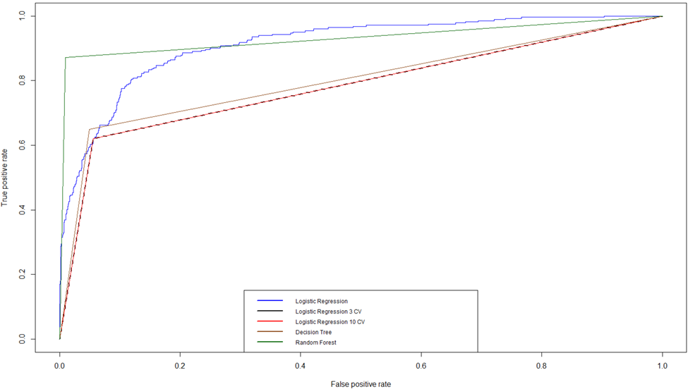 |  |  |  |  |  |  |  |  | 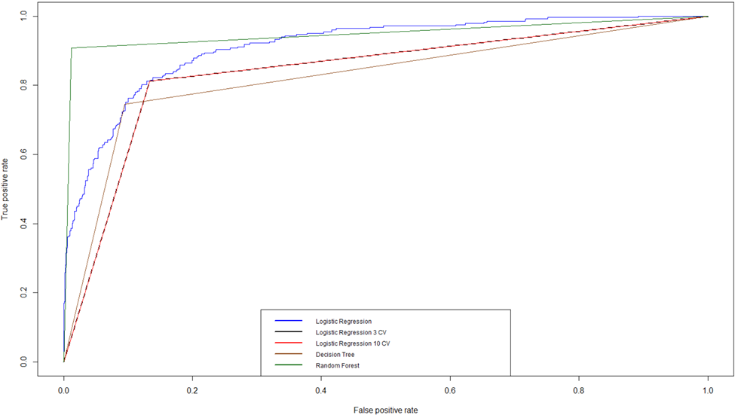
 | Unbalanced Training Set After Feature Selection |  |  |  |  |  |  | Used Pythagoras Theorem sqrt( (1-sensitivity)²+(1-specificity)² ) for ROC | Balanced Training Set After Feature Selection |  |  |  |  |  |  | Used Pythagoras Theorem sqrt( (1-sensitivity)²+(1-specificity)² ) for ROC
 |  | AUC | ROC | Sensitivity | Specificity | Accuracy | F1 Score |  |  | AUC | ROC | Sensitivity | Specificity | Accuracy | F1 Score
 | Logistic Regression | 0.88 | 1.04 | 0.51 | 0.94 | 0.85 | 0.91 |  | Logistic Regression | 0.88 | 0.91 | 0.84 | 0.75 | 0.82 | 0.88
 | Logistic Regression 3 CV | 0.73 | 1.04 | 0.51 | 0.94 | 0.85 | 0.92 |  | Logistic Regression 3 CV | 0.80 | 0.91 | 0.75 | 0.84 | 0.82 | 0.88
 | Logistic Regression 10 CV | 0.73 | 1.04 | 0.51 | 0.94 | 0.85 | 0.92 |  | Logistic Regression 10 CV | 0.80 | 0.91 | 0.75 | 0.84 | 0.82 | 0.88
 | Random Forest | 0.93 | 0.53 | 0.87 | 0.99 | 0.96 | 0.98 |  | Random Forest | 0.93 | 0.54 | 0.88 | 0.98 | 0.96 | 0.97
 | Decision Tree | 0.80 | 0.89 | 0.65 | 0.95 | 0.89 | 0.93 |  | Decision Tree | 0.83 | 0.84 | 0.75 | 0.90 | 0.87 | 0.91

